
 |  |  |  | CODE: |  |  | pl1255 aa SN from 98L000
DESCRIPTION: |  | BRUSHES ø340 |  | BURSTEN ø340 | BROSSES ø340 | CEPILLOS ø340 | SPAZZOLE ø340
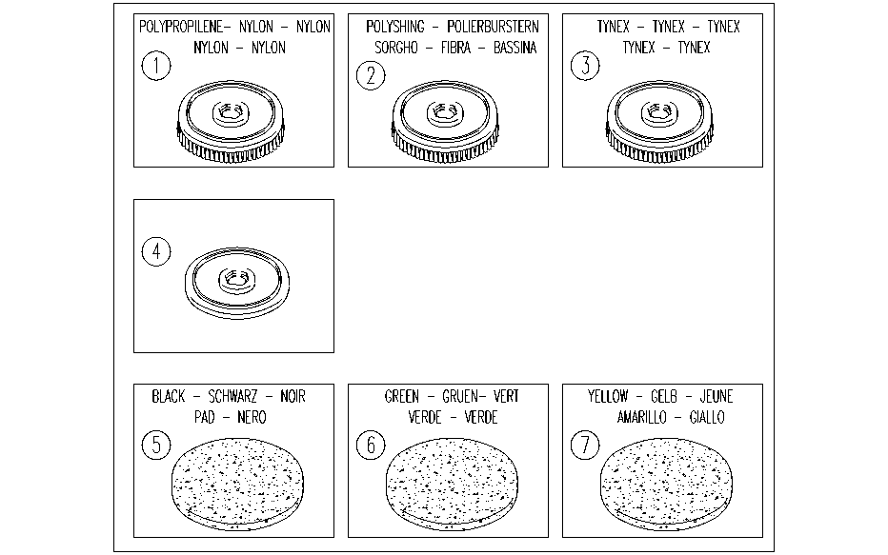

REF. | CODE | DESCRIPTION | QT
1 | AL02703 | POLYPROPYLENE BRUSH
2 | AL02707 | POLYSHING BRUSH
3 | AL02704 | TYNEX BRUSHES
4 | AL02705 | PAD DRIVER
5 | AL03510 | STRIPPING PAD(BLACK)
6 | AL03511 | STRIPPING PAD(GREEN)
7 | AL03512 | STRIPPING PAD(YELLOW)

